Statistics
 |  | Map Database April 2015

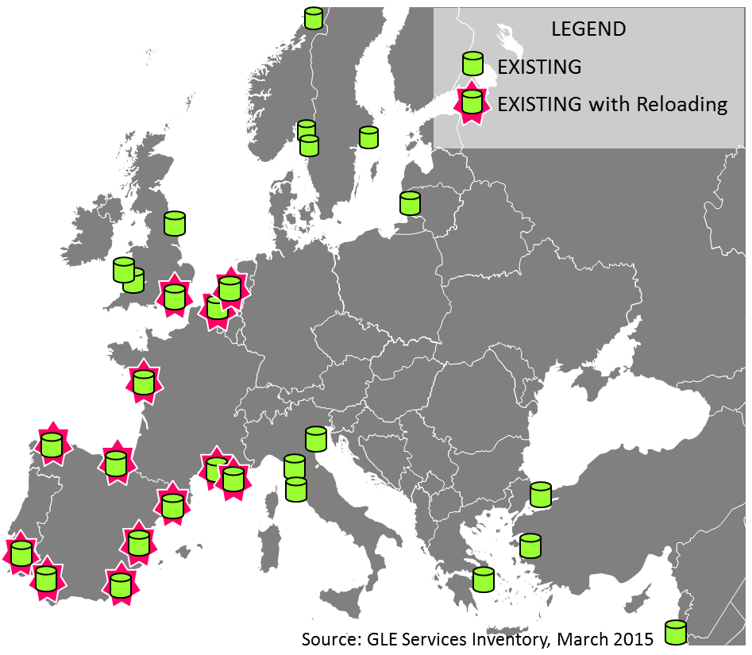
Annual regasification capacity of large-scale |  |  |  | LNG import terminals offering reloading
LNG import terminals per country

 | billion m3(N) / year
 | operational | under | planned
 |  | construction

Belgium | 9 |  | 3
Croatia |  |  | 6
Estonia |  |  | 7
Finland |  |  | 3
France | 22 | 13 | 23
Greece | 5 | 2 | 11
Ireland |  |  | 3
Italy | 15 |  | 37
Latvia |  |  | 5
Lithuania | 4
Malta |  |  | 2
Netherlands | 12 |  | 4
Poland |  | 5 | 3
Portugal | 8
Romania |  |  | 8
Spain | 69 | 3 | 7 | Number of LNG import terminals per type
UK | 52 |  | 26
EU-28 | 195 | 23 | 146 |  | operational | under | planned
Albania |  |  | 8 |  |  | construction
Turkey | 12 |  | 6 | Large-scale | 24 | 4 | 22
Ukraine |  |  | 10 | FSRUs and others | 3 | 0 | 7
Europe | 208 | 23 | 170 | Small-scale | 4 | 4 | 4
 |  |  |  | Total | 28 | 8 | 26

Annual regasification capacity
of large-scale LNG import terminals

 |  | billion m3(N) / year
Operational | Europe | 208
 | GLE Members | 178 | 86%
 | EU-28 | 195
 | GLE Members | 178 | 91%
Under | Europe, EU-28 | 23
Construction | GLE Members | 20 | 88%
Planned | Europe | 170
 | EU-28 | 146
Table not to be published on the GLE LNG Map

