Statistics
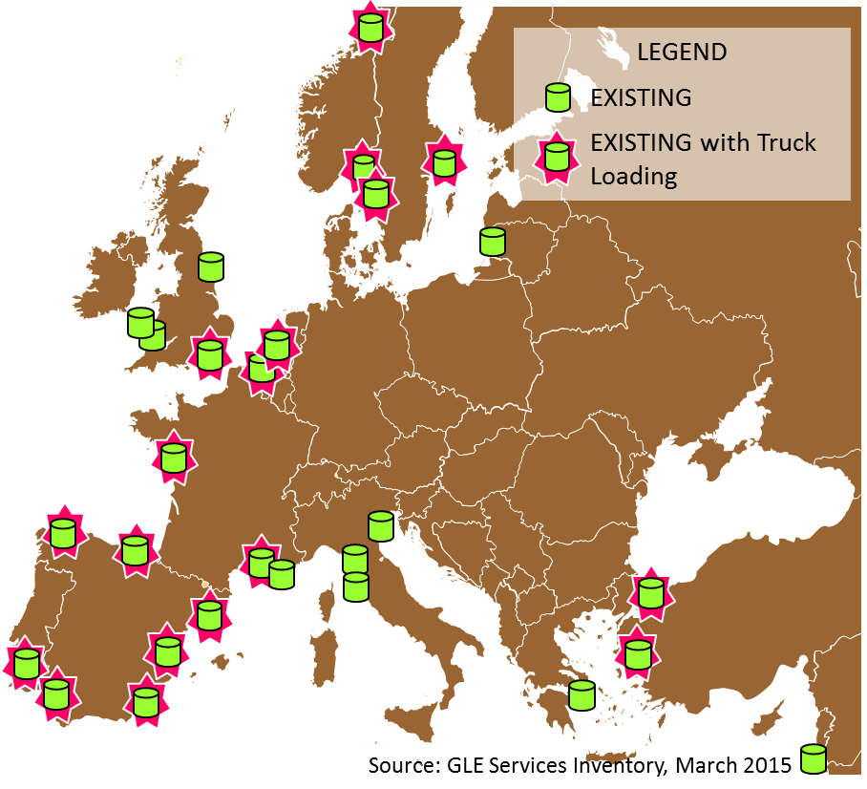
Installations per type | Status |  |  | LNG import terminals with truck loading facilities
 | operational | under | planned
 |  | construction
LNG terminals (large + small):
Reloading | 15 | 2 | 12
Transhipment | 3 | 2 | 4
Bunkership loading | 9 | 7 | 11
Truck loading | 19 | 8 | 5
Rail loading | - | - | 4
Liquefaction plants | 22 | n.a. | 2
Bunkering facilities for vessels | 26 | 5 | 22
Bunker ships | 5 | 4 | 6
Refuelling stations for trucks | 70 | 14 | 19
Satellite Storages | >1000 | n.a. | n.a.

Installations per country (Top 10) | Number of Installations*
 | operational | under | planned
 |  | construction
1. Spain | 36 | 3 | 12
2. Norway | 35 | - | -
3. UK | 22 | 2 | 9
4. Netherlands | 17 | 5 | 6
5. Sweden | 13 | - | 10
6. France | 11 | 4 | 11
7. Belgium | 7 | 5 | 1
8. Germany | 5 | 3 | 9
9. Portugal | 4 | 1 | 4
10. Finland | 2 | 8 | 5
* excl. satellite storages

