Statistics
 |  | Map Database 15 April 2016

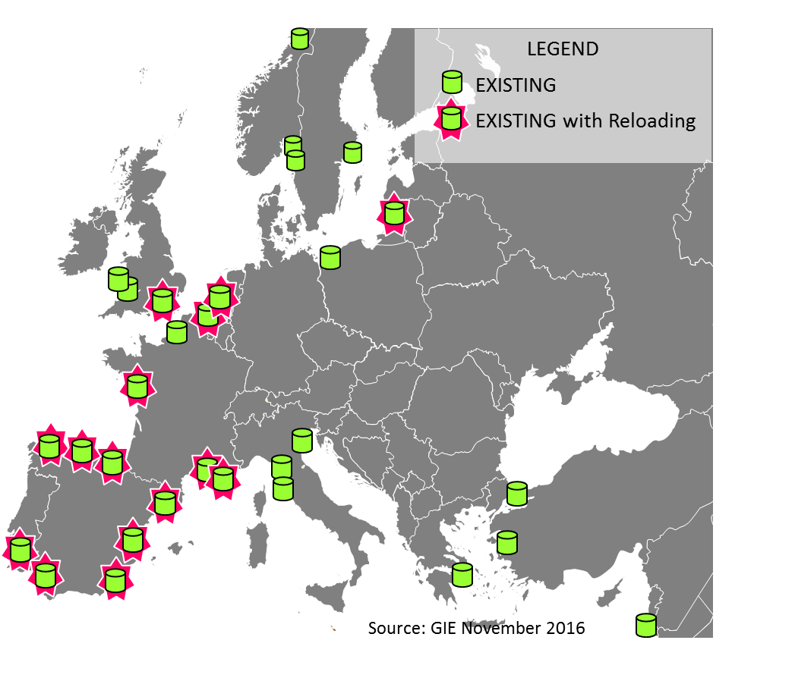
Annual regasification capacity of |  |  |  | LNG import terminals offering reloading
LNG import terminals per country

 | billion m3(N) / year
 | operational | under | planned
 |  | construction

Belgium | 9
Croatia |  |  | 12
Estonia |  |  | 5
Finland |  | 0 | 0
France | 34 |  | 11
Greece | 5 | 2 | 11
Ireland |  |  | 3
Italy | 15 |  | 32
Latvia |  |  | 5
Lithuania | 4
Malta |  | 0 | 2
Netherlands | 12 |  | 4
Poland | 5 |  | 14
Portugal | 8
Romania |  |  | 8
Spain | 69 | 3 | 5 | Number of LNG import terminals in Europe per type
Sweden | 1 |  | 1
UK | 48 |  | 13 |  | operational | under | planned
EU-28 | 210 | 5 | 126 |  |  | construction
Albania |  |  | 8 | Large-scale | 25 | 2 | 23
Norway | 0 |  |  | FSRUs and others | 2 | 1 | 10
Turkey | 12 |  | 15 | Small-scale | 4 | 4 | 4
Ukraine |  |  | 10 | Total | 29 | 6 | 27
Europe | 222 | 5 | 159

Annual regasification capacity
Share of GLE members

 |  | billion m3(N) / year
Operational | Europe | 222
 | GLE Members | 188 | 85%
 | EU-28 | 210
 | GLE Members | 188 | 90%
Under | Europe, EU-28 | 5
Construction | GLE Members | 2 | 42%
Table not to be published on the GIE LNG Map

